Sheet2
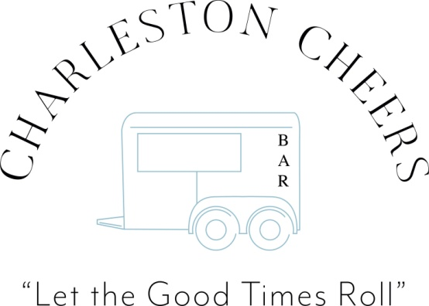
 |  | 2020-12-30

Suggested Wine and Beer guidelines below with estimated qty. calculations.
Each client group costs will vary based their alcohol preferences of wine qty. vs. beer.

Beer – 1/6 keg barrel holds 55, 12oz. glasses
Wine - 750ml = 5 glasses
“ 1.5L | = 10 glasses

 |  |  |  |  |  |  |  | # of 12oz | If additional
Ordering Guidelines |  | # of 12oz. Beer | 750ml | # of 5oz | Total # |  | # of | Beers | cases of
Number of guests | # of hours | glasses/cans | Wine bottles | glasses of wine | of drinks | # of drinks | 1/6 Kegs | from 1/6 kegs | beer needed
50 | 3 | 150 | 25 | 125 | 275 | 5.50 | 3 | 165 | 0
50 | 4 | 170 | 29 | 150 | 320 | 6.40 | 3 | 165 | 0
50 | 5 | 190 | 34 | 170 | 360 | 7.20 | 4 | 220 | 0

100 | 3 | 300 | 50 | 250 | 550 | 5.50 | 6 | 330 | 0
100 | 4 | 340 | 60 | 300 | 640 | 6.40 | 6 | 330 | 0
100 | 5 | 370 | 70 | 350 | 720 | 7.20 | 6 | 330 | 2

125 | 3 | 375 | 60 | 300 | 675 | 5.40 | 6 | 330 | 2
125 | 4 | 440 | 72 | 360 | 800 | 6.40 | 6 | 330 | 4
125 | 5 | 490 | 84 | 420 | 910 | 7.28 | 6 | 330 | 5.5

150 | 3 | 450 | 75 | 375 | 825 | 5.50 | 6 | 330 | 2
150 | 4 | 510 | 90 | 450 | 960 | 6.40 | 6 | 330 | 5
150 | 5 | 570 | 105 | 525 | 1095 | 7.30 | 6 | 330 | 8

* It is less expensive to purchase 1.5L bottles of wine vs. 750ml bottles! In most cases if a 1.5L
of wine of your choice is available, will cut your number of bottles required in half, reducing cost!
* Note: unopened beer and wine is available to be returned for full refund
however cases of beer need to be unopened and complete!
* Better to have too much than too little!
* 1/6 kegs range from approx. $50-120!

